Sheet1
Empcode | First Name | Last Name | Gender | Dept | Region | Deptcode | Hiredate | Salary | Bonus | Allowance | Gross Tax | Travel Fund | Hike | name
41 | fds | ghgjh | Male | Admin | East | 70 | 2013-12-11 | 44690.00 | 3000 | 4469 | 4469 | 1000 | 1000 | 41fdsghgjh
10 | jgfh | htgrd | Male | Admin | East | 60 | 2012-11-08 | 105218.00 | 3000 | 10521.8 | 10521.8 | 1000 | 1000 | 10jgfhhtgrd
37 | Ayt | tertw | Male | CCD | East | 50 | 2019-04-22 | 282415.00 | 3000 | 28241.5 | 28241.5 | 1000 | 1000 | 37Ayttertw
45 | Athe | rew | Female | CCD | East | 90 | 2019-11-27 | 312737.00 | 3000 | 31273.7 | 31273.7 | 1000 | 1000 | 45Atherew
21 | hdfgs | rtewy | Female | CCD | East | 10 | 2017-05-14 | 311069.00 | 3000 | 31106.9 | 31106.9 | 1000 | 1000 | 21hdfgsrtewy
22 | iuhh | tvt | Female | CCD | East | 30 | 2004-10-19 | 314372.00 | 3000 | 31437.2 | 31437.2 | 1000 | 1000 | 22iuhhtvt
17 | Ajfkhs | iu | Female | Director | East | 40 | 2015-09-20 | 354247.00 | 3000 | 35424.7 | 35424.7 | 500 | 1000 | 17Ajfkhsiu
11 | Auijn | reg | Male | Director | East | 50 | 2010-07-19 | 351012.00 | 3000 | 35101.2 | 35101.2 | 500 | 1000 | 11Auijnreg
34 | bgdf | tre | Male | Marketing | East | 60 | 2018-02-04 | 252331.00 | 3000 | 25233.1 | 25233.1 | 500 | 2000 | 34bgdftre
23 | kfjds | rev | Male | Marketing | East | 90 | 2010-05-28 | 125195.00 | 3000 | 12519.5 | 12519.5 | 500 | 2000 | 23kfjdsrev
25 | iuhh | evg | Female | Marketing | East | 80 | 2018-11-09 | 55133.00 | 3000 | 5513.3 | 5513.3 | 500 | 2000 | 25iuhhevg
48 | ike | tyve | Female | R&D | East | 70 | 2014-01-19 | 172086.00 | 3000 | 17208.6 | 17208.6 | 500 | 2000 | 48iketyve
21 | Ater | iuy | Female | R&D | East | 50 | 2017-11-30 | 71814.00 | 3000 | 7181.4 | 7181.4 | 500 | 2000 | 21Ateriuy
24 | trrs | nuy | Female | R&D | North | 90 | 2005-10-03 | 94971.00 | 3000 | 9497.1 | 9497.1 | 500 | 1000 | 24trrsnuy

1.Using the above employee table find a)Bonus column where if salary >10000--- bonus is 3000 salary >8000--- bonus is 2500 salary >6000--- bonus is 2000 Salary >4000---bonus is 1000

2.count the total employee whose salary is 8000 and belongs Marketing department
3
3.find the sum of salary of the employee who belongs to east region and department Marketing
432659
4. find the average of salary of the employee who belongs to north region and department CCD and gender Female
#DIV/0! |  |  |  |  |  |  | 312726.00

Summary Report
Total Employees | 14
Total Salary | 2847290.00
Average Salary | 203377.86
Max Salary | 354247.00
Min Salary | 44690.00
Regionwise Report
Region | East | North
Total Employees | 13 | 1
Total Salary | 2752319 | 94971
Average Salary | 211716.84615 | 94971

5.Find the “Allowance” column which is 10% of the salary
6.Fing the “ Gross tax “ column ---if salary >5000 then 10% else 3%
7.Find the “Travel fund “ column ---if dept is CCD and admin then 1000 else 500
8.Find the “Hike “ column ---if dept is Finance or R& D and region is south then 2000 else 1000

9.Find the name of 5 employee with employee code as per your choice
fds
10.Find the Number of Region and Dept column with match function
6 | 5
11.Find the emplyee table like below for both with Data and No data condition
41
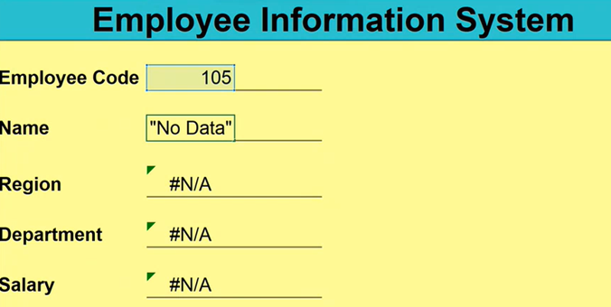
 |  |  |  |  |  | 2
 |  |  |  |  |  | Admin
 |  |  |  |  |  | CCD
 |  |  |  |  |  | Director
 |  |  |  |  |  | Marketing
 |  |  |  |  |  | R&D

